Main
Pure Quantum Players |  | Timeline |  |  |  |  | Upside Catalysts | Downside Catalysts
$IONQ | IonQ Inc. |  |  |  |  |  | Security services investing heavily | Real-world application is likely minimal
$RGTI | Rigetti Computing Inc. | 7-Jan-25 | NVDA CEO Jensun Yeung says Quantum is at least 15-30 years away at CES event
$QMCO | Quantum Corporation |  | this triggers AH sell off. $IONQ, $RGTI are down 50% next day |  |  |  | Potential benefits to medicine, finance & crypto | Current "breakthroughs" are unreliable (not stable)
$QUBT | Quantum Computing Inc.
$QBTS | D-Wave Quantum Inc |  |  |  |  |  |  | Quantum proof encrpytion already being introduced (META, AAPL)
 | .
"Big Tech" Players
$GOOG | Alphabet Inc (Google)
$IBM | International Business Machines

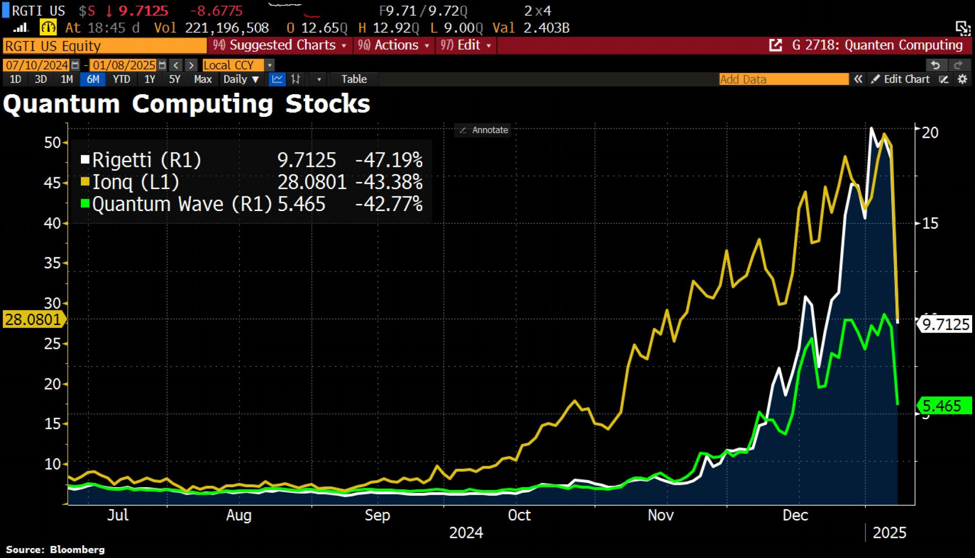
 |  | 9-Dec-24 | Google publishes paper on "Willow". A quantum chip that demonstrates error correction
 |  |  | and performed 5 minute calculation that would take 10^25 years on conventional supercomputer

 |  | Oct/Nov 24 | Quantum stocks benefit from the wider market "Trump" rally leading into election & after election

 |  | Ticker | Price | S/O | MCAP | Operations
 |  | $GOOG | 195.39 | 5,500 | 1,074,645 | R&D
 |  | $IBM | 223.18 | 925 | 206,442 | R&D
 |  | $IONQ | 30.25 | 216 | 6,534 | R&D of Quantum Computers. Air Force Contract & AWS Forte
 |  | $QMCO | 31.43 | 152 | 4,777 | NO REAL QUANTUM OPERATIONS - JUST NAME
 |  | $RGTI | 10.04 | 280 | 2,811 | R&D of Quantum Computers
 |  | $QBTS | 6.1 | 225 | 1,373
 |  | $QUBT | 9.91 | 129 | 1,278 | NO REAL QUANTUM OPERATIONS - JUST NAME

